Fig 3b
attp(GA)-mNg(GT) | attp(GT)-mNg(GA) | attp(GA)-mNg(GA) | attp(GT)-mNg(GT)
5.99 | 5.98 | 78.61 | 79.32 | Asterisks | p-value threshold | Interpretation
5.28 | 8.05 | 81.7 | 81.7 | * | p < 0.05 | Statistically significant
8.59 | 6.96 | 78.34 | 81.08 | ** | p < 0.01 | Very statistically significant
 |  |  |  | *** | p < 0.001 | Extremely statistically significant
 | Two-tailed t-test |  |  | ns | p ≥ 0.05 | Not significant
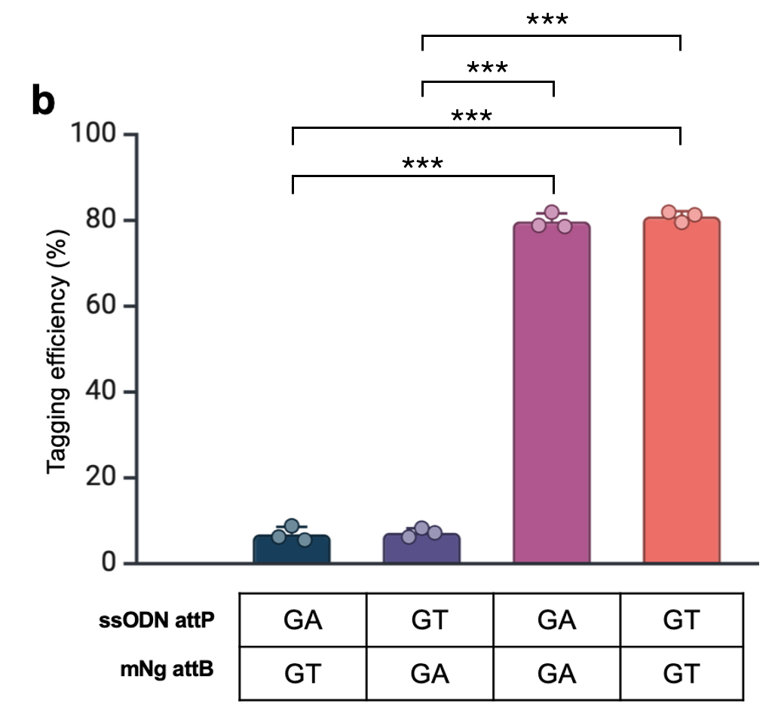
 | Equal variances t-test (Fisher's or Student's)
GA GT vs. GT GA | 0.76368411629 | ns
GA GT vs. GA GA | 9.996233185E-07 | ***
GA GT vs. GT GT | 4.5966595575E-07 | ***

GT GA vs. GA GA | 4.9873031934E-07 | ***
GT GA vs. GT GT | 1.521669346E-07 | ***

GA GA vs. GT GT | 0.42378562925 | ns

Fig 6i
Unedited | mNg probe | 0
Unedited | mNg probe | 0 |  | Two-tailed t-test |  | Asterisks | p-value threshold | Interpretation
Unedited | mNg probe | 0 |  | Equal variances t-test (Fisher's or Student's) |  | * | p < 0.05 | Statistically significant
Unedited | mCh probe | 0 | Unedited mNg vs. mCh | #DIV/0! |  | ** | p < 0.01 | Very statistically significant
Unedited | mCh probe | 0 | mCh+ mNg vs. mCh | 1.2539648413E-06 | *** | *** | p < 0.001 | Extremely statistically significant
Unedited | mCh probe | 0 | mNg+ mNg vs. mCh | 4.7820471414E-06 | *** | ns | p ≥ 0.05 | Not significant
mCh + | mNg probe | 0.004 | mCh/mNg+ mNg vs. mCh | 0.077470204331 | ns
mCh + | mNg probe | 0.008
mCh + | mNg probe | 0.008
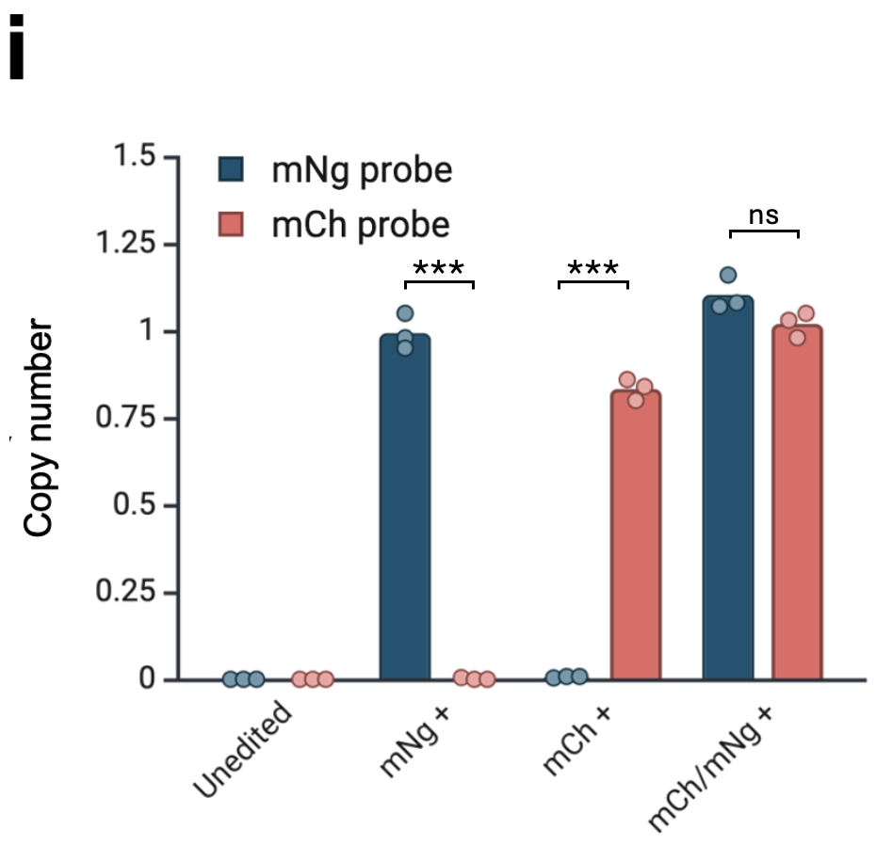
mCh + | mCh probe | 0.86
mCh + | mCh probe | 0.84
mCh + | mCh probe | 0.8
mNg + | mNg probe | 0.98
mNg + | mNg probe | 0.95
mNg + | mNg probe | 1.05
mNg + | mCh probe | 0.005
mNg + | mCh probe | 0
mNg + | mCh probe | 0
mCh/mNg + | mNg probe | 1.07
mCh/mNg + | mNg probe | 1.16
mCh/mNg + | mNg probe | 1.08
mCh/mNg + | mCh probe | 1.03
mCh/mNg + | mCh probe | 0.98
mCh/mNg + | mCh probe | 1.05

